Problem 35
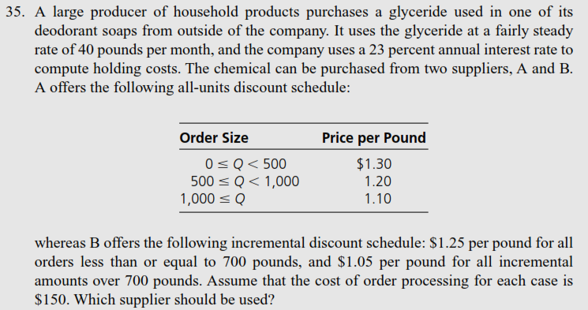
Metric | Value | Units | Metric | Value | Units
lam | 480 | [unit/year] | Q*|C_A1 | 902 | [unit/order]
i | 23% | [annual] | Q*|C_A2 | 867 | [unit/order]
C_A1 | 1.30 | [$/unit] | Q*|C_A3 | 830 | [unit/order]
Q.Min.All_A1 | 0 | [unit/order] | Q*|C_B1 | 708 | [unit/order]
C_A2 | 1.20 | [$/unit] | Q*|C_B2 | 1,074 | [unit/order]
Q.Min.All_A2 | 500 | [unit/order] | G(Q*|C*_A2) | 778.68 | [$/year]
C_A3 | 1.10 | [$/unit] | G(Q*|C*_B2) | 779.39 | [$/year]
Q.Min.All_A3 | 1,000 | [unit/order]
C_B1 | 1.25 | [$/unit]
Q.Min.Inc_B1 | 0 | [unit/order]
C_B2 | 1.05 | [$/unit]
Q.Min.Inc_B2 | 700 | [unit/order]
K | 150 | [$/order]
gam_B1 | 0 | [$/order]
gam_B2 | 875 | [$/order]
Q*|C_A1 | 902 | [unit/order]
Q*|C_A2 | 867 | [unit/order]
Q*|C_A3 | 830 | [unit/order]
Q*|C_B1 | 708 | [unit/order]
Q*|C_B2 | 1,074 | [unit/order]
C*_B2 | 1.18 | [$/unit]
G(Q*|C*_A2) | 778.68 | [$/year]
G(Q*|C*_B2) | 779.39 | [$/year]

Acme
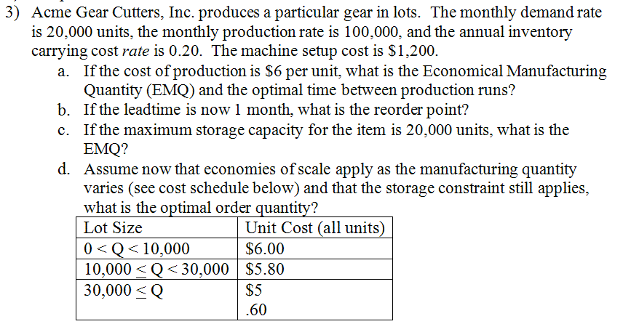
Metric | Value | Units | Metric | Value | Units
lam | 20,000 | [unit/month] | Q* | 24,495 | [unit/order]
P | 100,000 | [unit/month] | T* | 1.22 | [month]
i | 1.67% | [monthly]
K | 1,200 | [$/run] | Metric | Value | Units
C | 6 | [$/unit] | tau | 1 | [month]
Q* | 24,495 | [unit/run] | R | 20,000 | [unit]
T* | 1.22 | [month]
tau | 1 | [month] | Metric | Value | Units
R | 20,000 | [unit] | Q*|Capacity | 20,000 | [unit/order]
Q*|Capacity | 20,000 | [unit/run] | T*|Capacity | 1 | [month]
T*|Capacity | 1 | [month]

Metric | Value | Units | Metric | Value | Units
C_1 | 6.00 | [$/unit] | Q*|C_1 | 24,495 | [unit/run]
Q.Min_1 | 0 | [unit/run] | Q*|C_2 | 24,914 | [unit/run]
C_2 | 5.80 | [$/unit] | Q*|Capacity | 20,000 | [unit/run]
Q.Min_2 | 10,000 | [unit/run]
C_3 | 5.60 | [$/unit]
Q.Min_3 | 30,000 | [unit/run]
Q*|C_1 | 24,495 | [unit/run]
Q*|C_2 | 24,914 | [unit/run]
Q*|Capacity | 20,000 | [unit/run]

